XOR
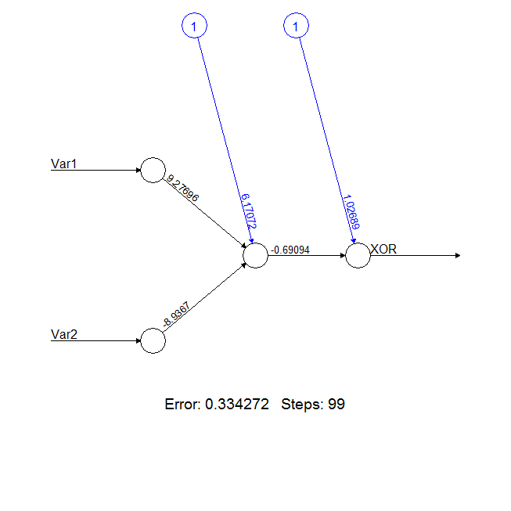
 |  | w | w.x |  | 1/(1+EXP(-E2))
Err | 1 | 0.5013 | 0.5013
X1 | 0 | 0.00261 | 0
X2 | 1 | -0.00465 | -0.00465
 |  |  | 0.49665 |  | 0.6216717464

X1 | X2 |  |  | w.x
0 | 0 | 0 | 0 | 0.5013 | 0.6228
0 | 1 | 0 | -0.00465 | 0.49665 | 0.6217
1 | 0 | 0.00261 | 0 | 0.50391 | 0.6234
1 | 1 | 0.00261 | -0.00465 | 0.49926 | 0.6223

w1 | w2
6.17072 | 1.02689
9.27696 | -0.69094
-8.9367

X1 | X2 | x1.w1 | x2.w1 | w1.X | 1/(1+EXP(-E2)) | g1.w2 |  | 1/(1+EXP(-E2)) | Target | err
0 | 0 | 0 | 0 | 6.17072 | 0.9979 | -0.6895 | 0.3374 | 0.5836 | 0
0 | 1 | 0 | -8.9367 | -2.76598 | 0.0592 | -0.0409 | 0.9860 | 0.7283 | 1
1 | 0 | 9.27696 | 0 | 15.44768 | 1.0000 | -0.6909 | 0.3360 | 0.5832 | 1
1 | 1 | 9.27696 | -8.9367 | 6.51098 | 0.9985 | -0.6899 | 0.3370 | 0.5835 | 0

redes neurais - exemplo XOR.R

